Pick 2
 | Pick 2 Menu Builder
 |  | Add bag of carrots, bag of apples, milk carton for Grab n' Go reimbursable meal
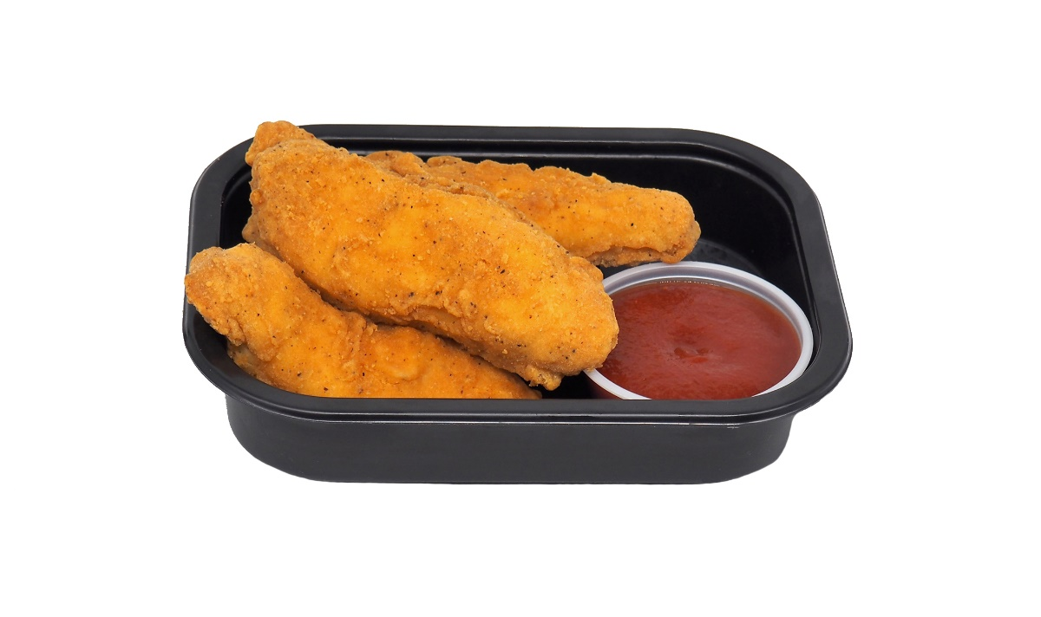
 | Choose one Rich Chicks item code from the list and enter here: | 54497 |  | Choose one sauce from the list and enter the number here: | 4

Rich Chick's Items |  |  | Sauces
Item # | Description |  | No.
23403 | Premium Gourmet Boneless Chicken Wings |  | 1 | BBQ Sauce
23404 | Artisan Spicy Boneless Chicken Wings |  | 2 | Honey Mustard Dip
23409 | Premium Gourmet NAE Boneless Chicken Wings |  | 3 | Hunan Orange Sauce
23415 | Artisan Boneless Chicken Wings |  | 4 | Mango Masala Dip
23417 | Rich-Fil-Eh! Boneless Chicken Wings |  | 5 | Marinara Sauce
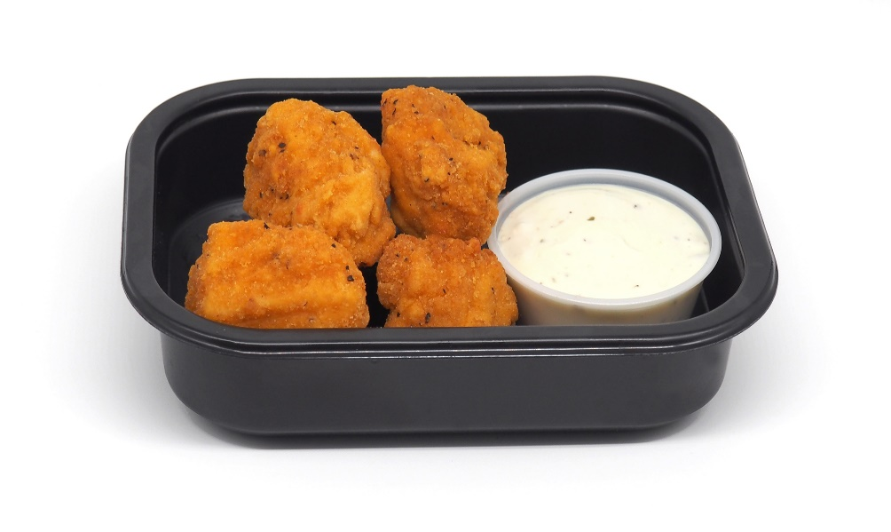
43403 | Premium Gourmet Chicken Tenderloins |  | 6 | Queso
43407 | Premium Gourmet Chicken Tenderloins |  | 7 | Ranch
43404 | Artisan Spicy Chicken Tenderloins |  | 8 | Salsa
43415 | Premium Gourmet NAE Chicken Tenderloins |  | 9 | Sriracha Sauce
43424 | Artisan Chicken Tenderloins |  | 10 | Sweet & Sour Sauce
54409 | Popcorn Chicken |  | 11 | Sweet Thai Chili Sauce
54410 | Premium Chicken Nugget |  | 12 | Tzatziki Sauce
54427 | Spicy Popcorn Chicken |  | 13 | Jalapeno Ranch Cup
54453 | Premium Chicken Tender |  | 14 | Buffalo Ranch Cup
54454 | Premium NAE Chicken Nugget |  | 15 | The Dynamite Cup
54485 | Artisan MWWM Chicken Tenders |  | 16 | Chick'n Dippin' Sauce Cup
54487 | Artisan MWWM Chicken Nuggets
54497 | Artisan Spicy MWWM Chicken Tenders
94403 | Artisan Dark Meat Popper

